Figure-STH1
Figure STH1. Solar Water Heating Collectors Global Capacity, 2015-2024

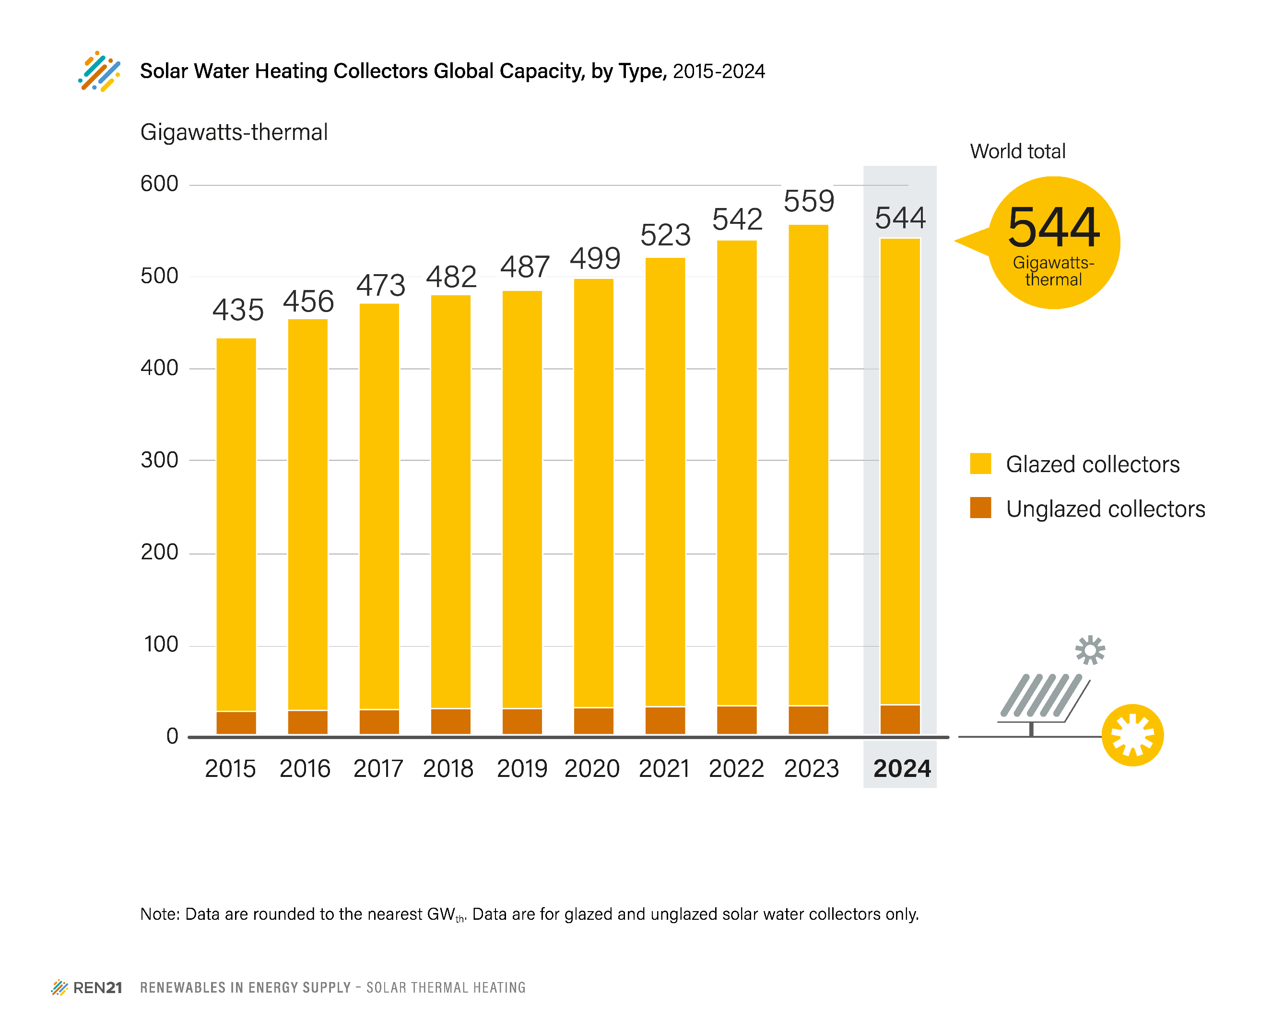
 | Gigawatts-thermal
 | Glazed Collectors Total | Unglazed Collectors Total | Water Collectors Total
2015 | 408 | 27 | 435
2016 | 428 | 28 | 456
2017 | 444 | 29 | 473
2018 | 452 | 30 | 482
2019 | 457 | 30 | 487
2020 | 469 | 31 | 499
2021 | 491 | 32 | 523
2022 | 509 | 33 | 542
2023 | 526 | 33 | 559
2024 | 510 | 34 | 544

Note: Data are rounded to nearest GWth. Data are for glazed and unglazed solar water collectors and do not include concentrating, air or hybrid collectors.

Source: based on data from AEE INTEC, “Solar Heat Worldwide, Global Market Development and Trends 2024, Detailed Market Figures 2023, 2025 Edition”, International Energy Agency Solar Heating and Cooling Programme (IEA SHC), 2025, 8, https://www.iea-shc.org/solar-heat-worldwide, and M. Spörk-Dür, AEE – Institute for Sustainable Technologies, personal communication with REN21, May 2025.

