Figure W2
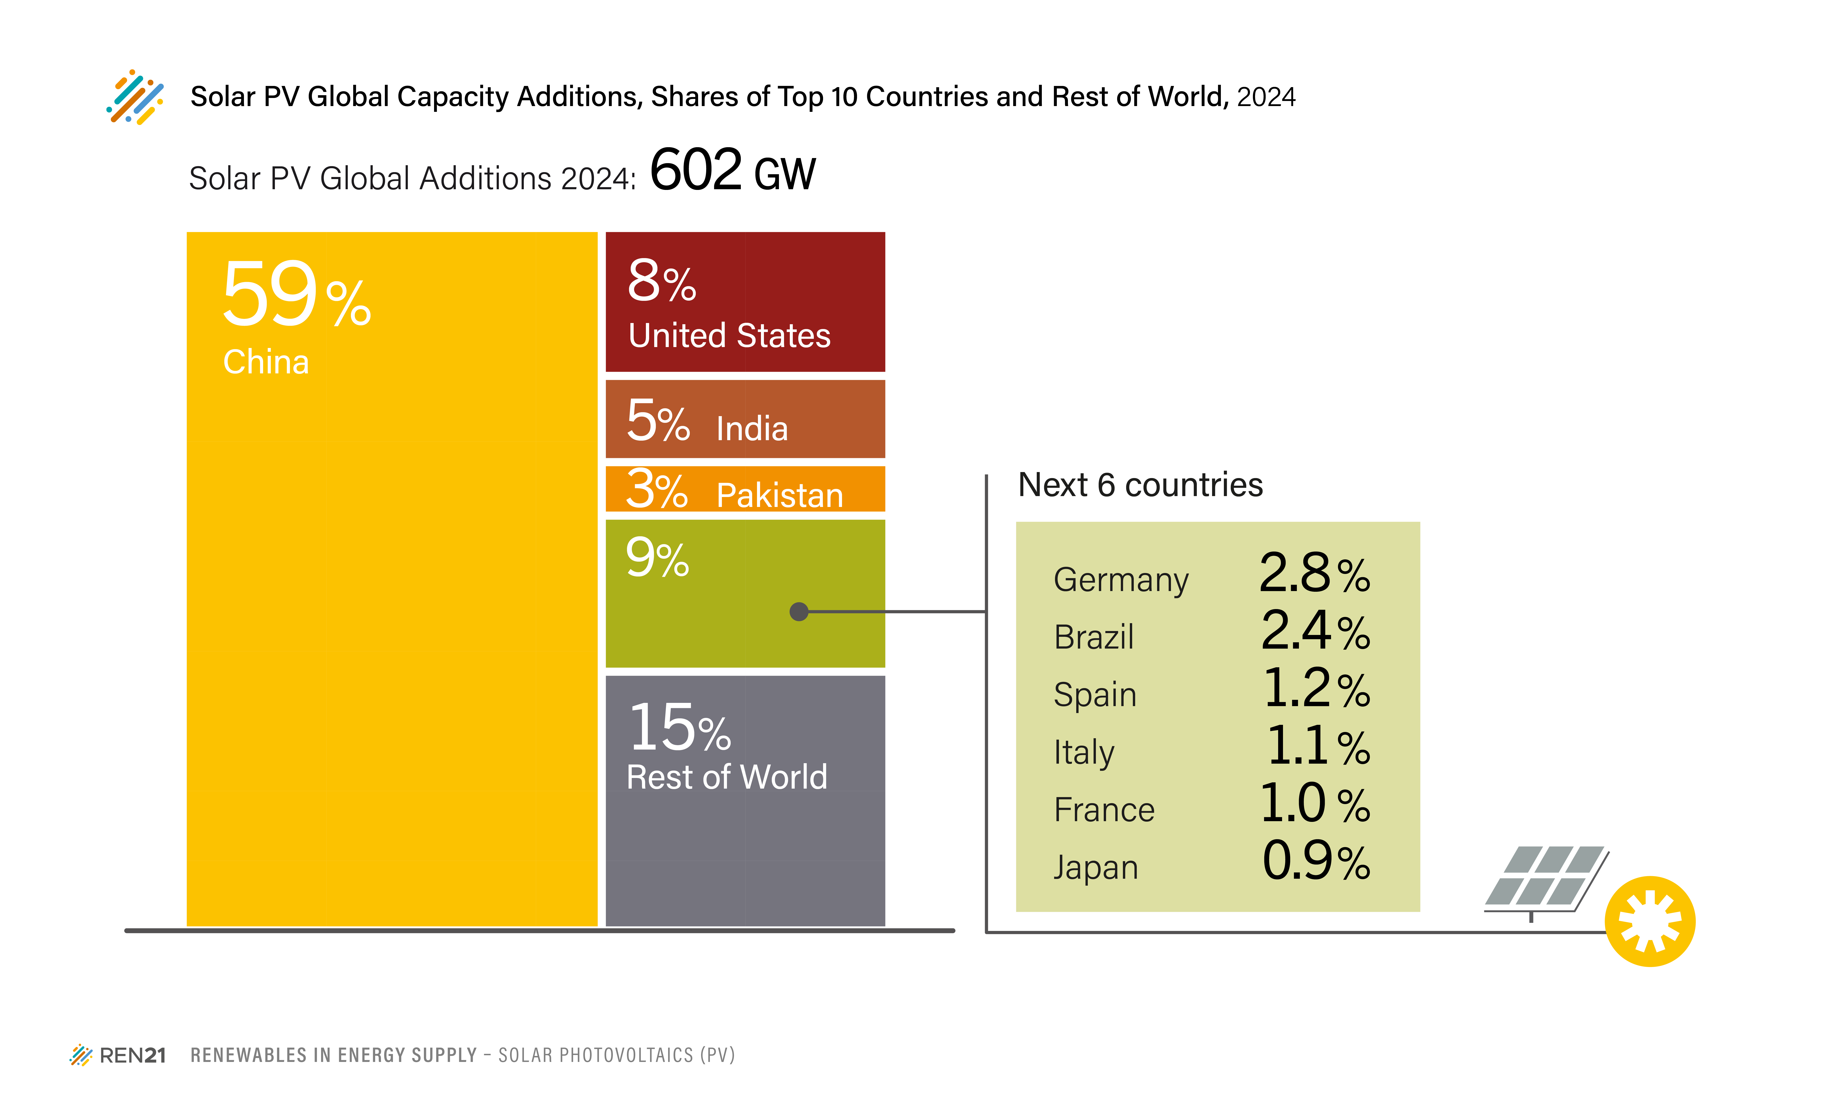
FIGURE SPV2. Solar PV Global Capacity Additions, Shares of Top 10 Countries and Rest of World, 2024

Gigawatts (GW)
COUNTRY | Capacity Added in 2024 (Gigawatts) | Share
China | 357 | 59%
United States | 47 | 8%
India | 32 | 5%
Pakistan | 17 | 3%
Germany | 17 | 3%
Brazil | 14 | 2%
Spain | 8 | 1%
Italy | 7 | 1%
France | 6 | 1%
Japan | 6 | 1%
next 6 | 57 | 9%
ROW | 92 | 15%

Source: IEA PVPS

