Figure G1
Figure G1. Geothermal Power Capacity and Additions, Top 10 Countries and Rest of World, 2024

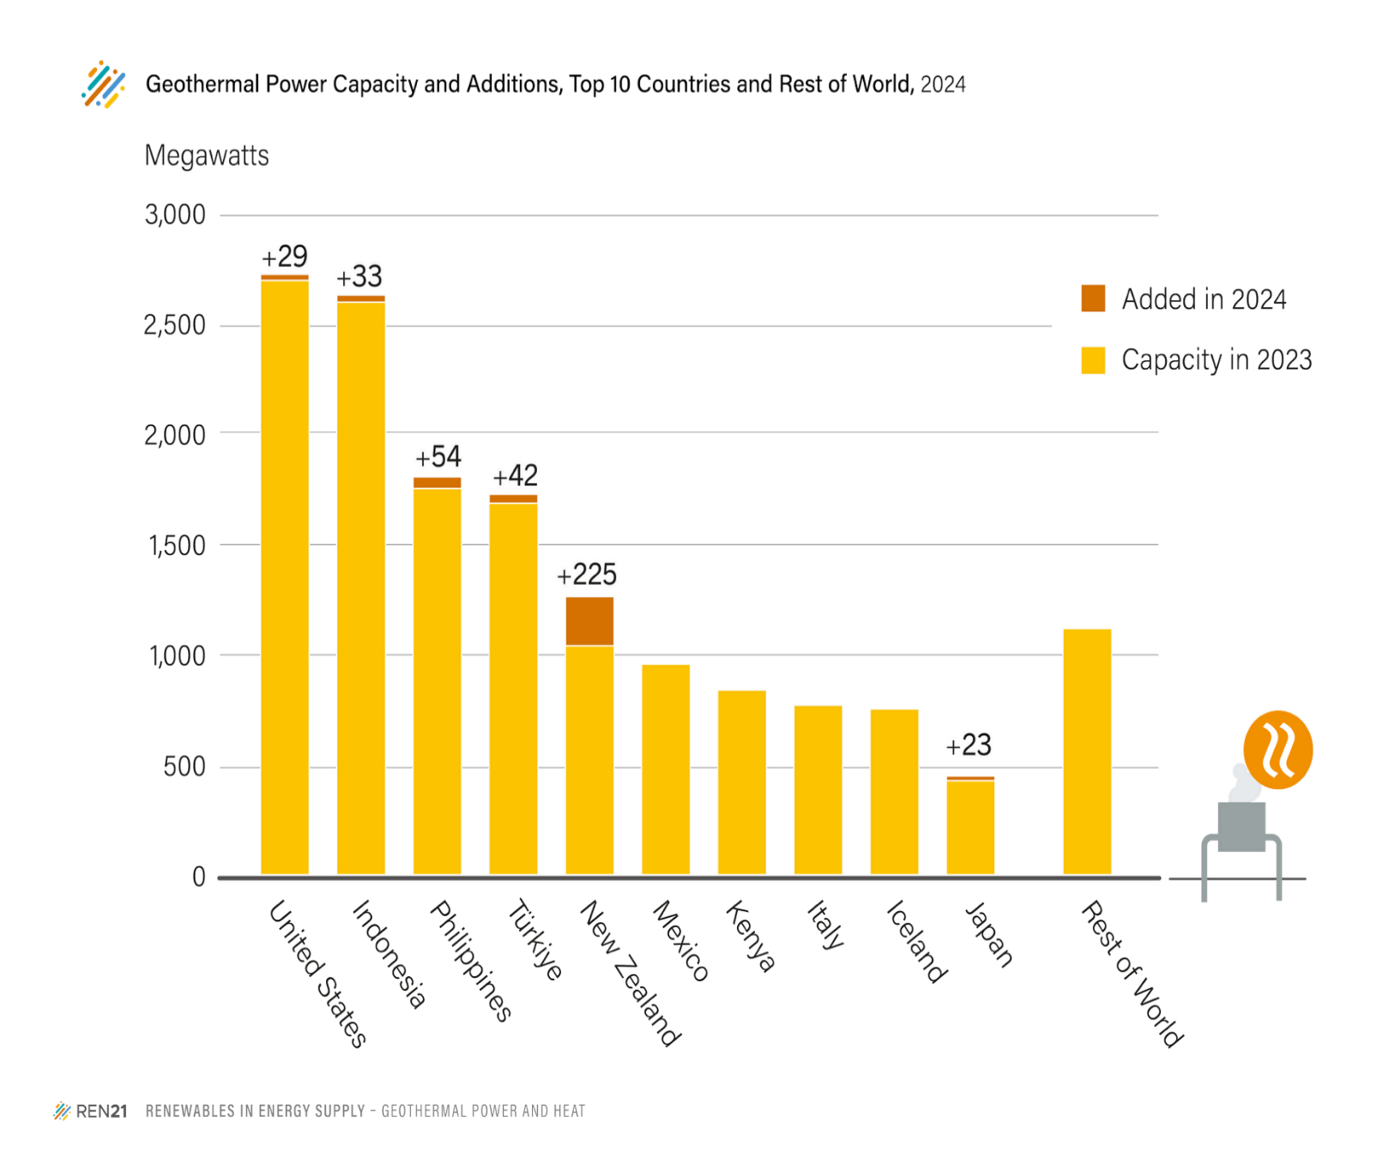
GW | Total Capacity (2023) | Capacity Added (2024)
United States | 2,705 | 29.2
Indonesia | 2,606 | 33.0
Philippines | 1,758 | 54.0
Turkey | 1,691 | 42.2
New Zealand | 1,042 | 225.0
Mexico | 959 | 0.0
Kenya | 841 | 0.0
Italy | 772 | 0.0
Iceland | 755 | 0.0
Japan | 428 | 22.5
Rest of World | 1,121 | 0.0
Total | 14,677 | 405.9

Source: see endnote 13 for the Geothermal Section

