Figure W1
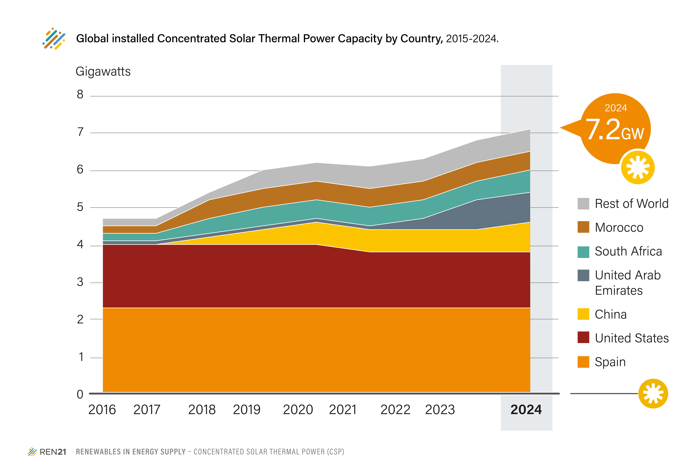
FIGURE CSP1. Global installed Concentrated Solar Thermal Power Capacity by Country, 2015-2024

 | 2014 | 2015 | 2016 | 2017 | 2018 | 2019 | 2020 | 2021 | 2022 | 2023 | 2024
Spain | 2.3 | 2.3 | 2.3 | 2.3 | 2.3 | 2.3 | 2.3 | 2.3 | 2.3 | 2.3 | 2.3
United States | 1.6 | 1.7 | 1.7 | 1.7 | 1.7 | 1.7 | 1.7 | 1.5 | 1.5 | 1.5 | 1.5
Morocco | 0.0 | 0.2 | 0.2 | 0.2 | 0.5 | 0.5 | 0.5 | 0.5 | 0.5 | 0.5 | 0.5
South Africa | 0.0 | 0.1 | 0.2 | 0.2 | 0.4 | 0.5 | 0.5 | 0.5 | 0.5 | 0.5 | 0.6
China | 0.0 | 0.0 | 0.0 | 0.0 | 0.2 | 0.4 | 0.6 | 0.6 | 0.6 | 0.6 | 0.8
United Arab Emirates | 0.1 | 0.1 | 0.1 | 0.1 | 0.1 | 0.1 | 0.1 | 0.1 | 0.3 | 0.8 | 0.8
Rest of World | 0.2 | 0.2 | 0.2 | 0.2 | 0.2 | 0.5 | 0.5 | 0.6 | 0.6 | 0.6 | 0.6
Total | 4.3 | 4.7 | 4.8 | 4.8 | 5.5 | 6.1 | 6.3 | 6.1 | 6.3 | 6.8 | 7.2

Units: GW

REN21 Capacity Database

