Figure W1
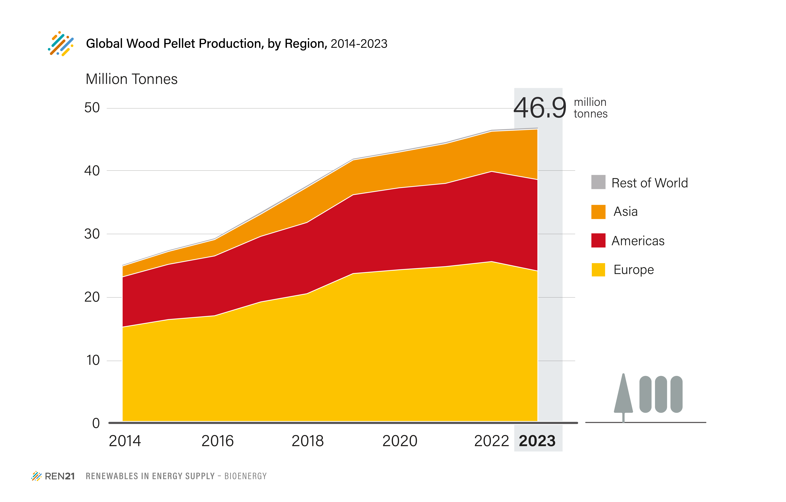
Figure BIO4 - Global Wood Pellet Production, by Region, 2014-2023

 | World | Africa | Americas | Asia | Europe | Oceania | Rest of the World
2014 | 25.1 | 0.0 | 8.0 | 1.7 | 15.2 | 0.1 | 0.2
2015 | 27.4 | 0.0 | 8.8 | 2.0 | 16.4 | 0.2 | 0.2
2016 | 29.3 | 0.0 | 9.5 | 2.6 | 17.0 | 0.2 | 0.2
2017 | 33.4 | 0.1 | 10.4 | 3.5 | 19.2 | 0.3 | 0.3
2018 | 37.6 | 0.1 | 11.3 | 5.6 | 20.5 | 0.2 | 0.3
2019 | 42.0 | 0.1 | 12.5 | 5.5 | 23.7 | 0.1 | 0.2
2020 | 43.2 | 0.1 | 13.0 | 5.7 | 24.3 | 0.2 | 0.2
2021 | 44.5 | 0.1 | 13.2 | 6.3 | 24.8 | 0.2 | 0.2
2022 | 46.4 | 0.1 | 14.3 | 6.4 | 25.6 | 0.2 | 0.2
2023 | 46.9 | 0.1 | 14.5 | 8.0 | 24.1 | 0.2 | 0.2

Units: million tonnes

Source: FAO Stat, https://www.fao.org/faostat/en/#data/FO

