Figure W1
FIGURE BIO3. Global Bioelectricity Installed Capacity, by Region, 2015-2024
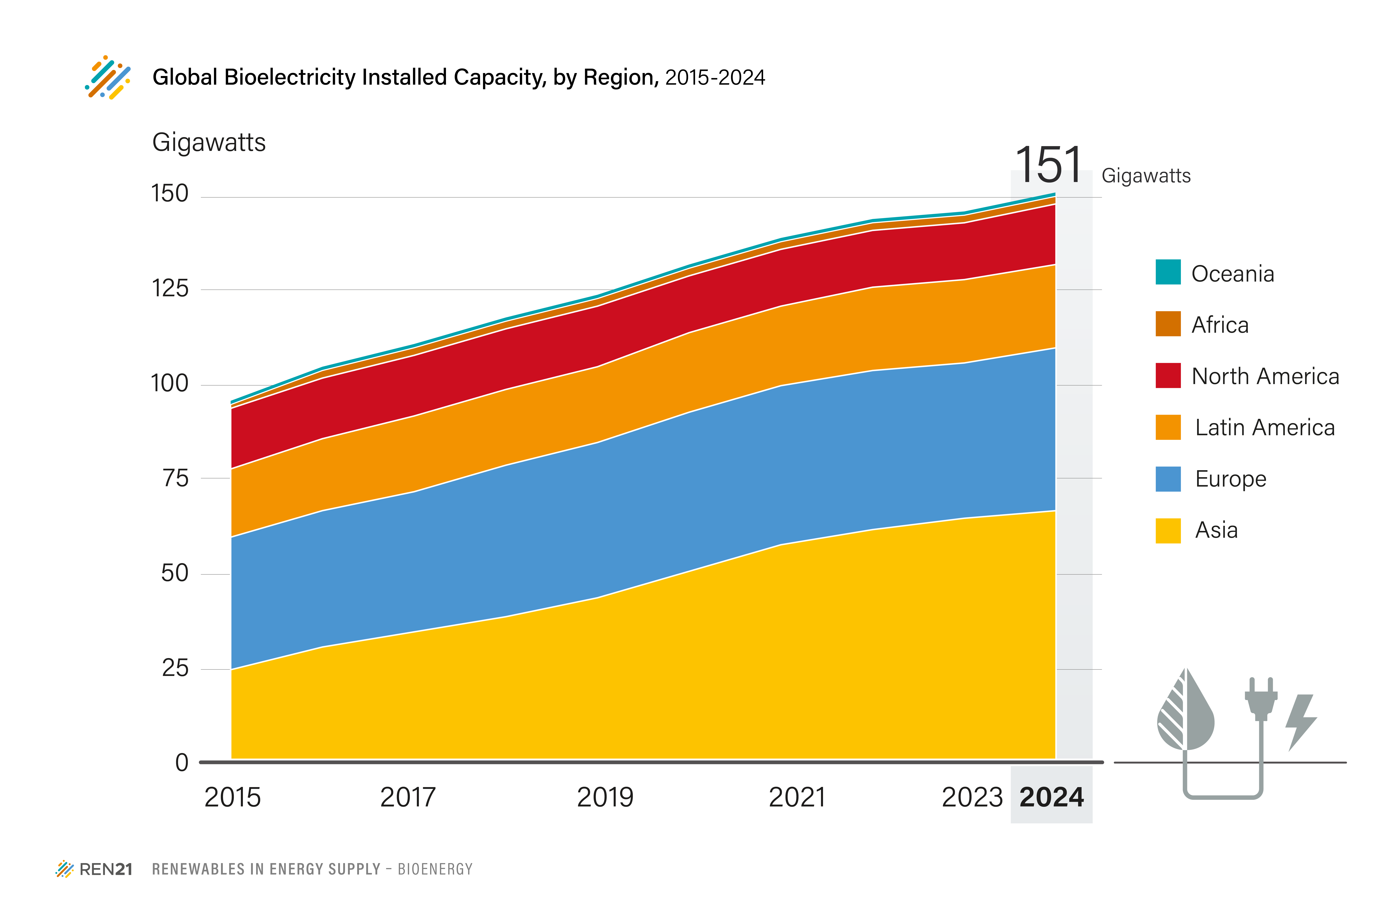
 | 2015 | 2016 | 2017 | 2018 | 2019 | 2020 | 2021 | 2022 | 2023 | 2024
Africa | 1 | 2 | 2 | 2 | 2 | 2 | 2 | 2 | 2 | 2
Asia | 24 | 30 | 34 | 38 | 43 | 50 | 57 | 61 | 64 | 66
Europe | 35 | 36 | 37 | 40 | 41 | 42 | 42 | 42 | 41 | 43
North America | 16 | 16 | 16 | 16 | 16 | 15 | 15 | 15 | 15 | 16
Latin America | 18 | 19 | 20 | 20 | 20 | 21 | 21 | 22 | 22 | 22
Oceania | 1 | 1 | 1 | 1 | 1 | 1 | 1 | 1 | 1 | 1
Total | 96 | 104 | 110 | 117 | 123 | 131 | 137 | 143 | 146 | 151

Units: GW

Source: IRENA Capacity Statistics 2025

