Figure I-3
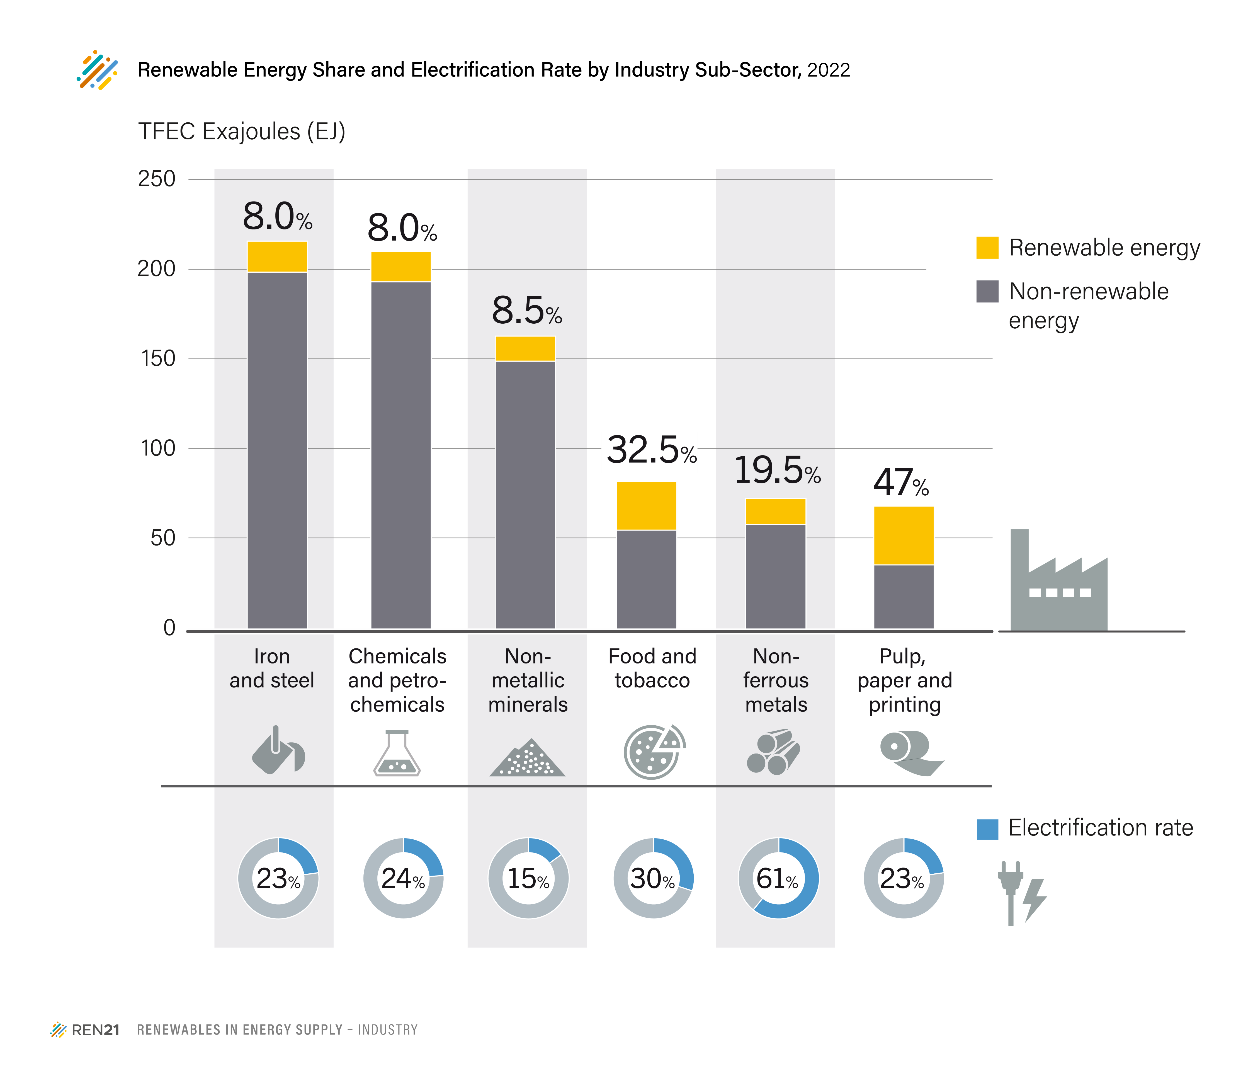
Figure I-3. Renewable Energy Share and Electrification Rate by Industry Sub-Sector, 2022
Industry sub-sector | Renewable Energy Share | Electricity Share
Iron and steel | 8.0% | 22.6%
Chemical and petrochemical | 8.0% | 24.3%
Non-metallic minerals | 8.5% | 15.4%
Food and tobacco | 32.5% | 29.6%
Non-ferrous metals | 19.5% | 60.9%
Paper, pulp and printing | 47.0% | 23.4%

Source: Based on IEA World Energy Balance, 2025, processed by REN21.

