Sheet1
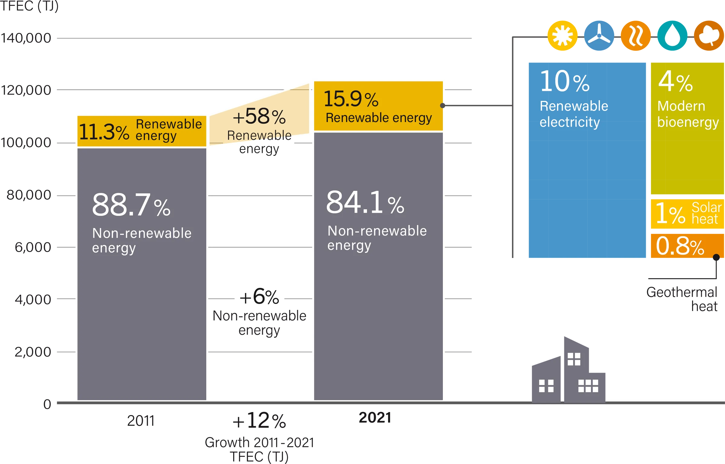
Renewable Energy Consumption in Buildings, 2012-2022
 | 1 | 1 | 1 | 1
Figure B1. Renewable Share in Total Final Energy Consumption in Buildings, 2012 and 2022

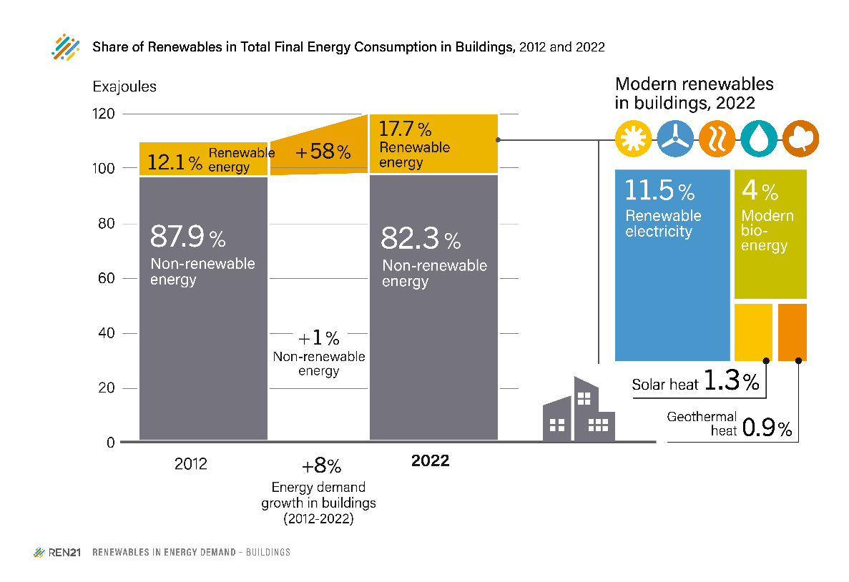
 | Shares (%) | 2012 | 2022
 | Non-renewable energy | 87.9% | 82.3%
 | Modern renewables | 12.1% | 17.7%

 |  | 2022
 | Renewable Electricity | 11.5%
 | Bioenergy | 4.0%
 | Solar heat | 1.3%
 | Geothermal heat | 0.9%

Source: Based on IEA World Energy Balance, 2025, processed by REN21.

